EPS heaters
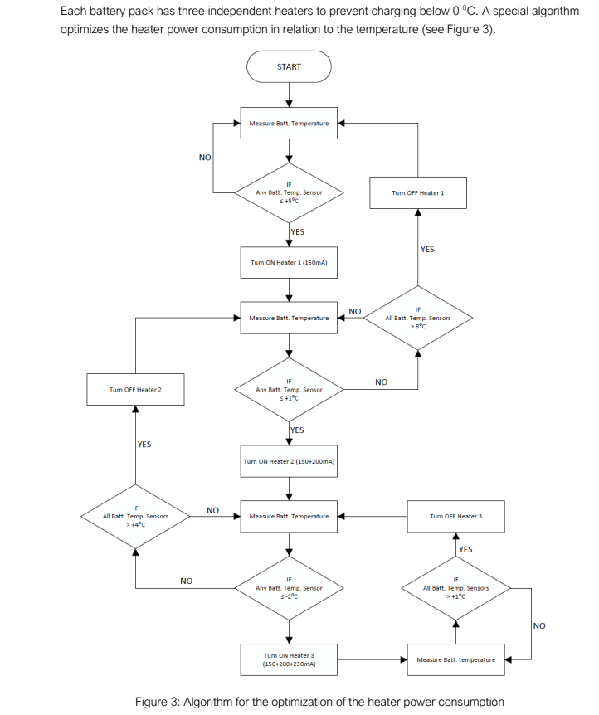
EPS Heaters |  | Load 5.0V Bus (A) | Load 3.3V Bus (A)
 | Watts | 0.061 | 0.092
Heater 1 | 0.4 | 0.400 | 0.606
Heater 2 | 0.67 | 0.000 | 0.000
Heater 3 | 0.67 | 0.145 | 0.220
Values approximated empirically from the latest test data on the test module (1) |  | 0.000 | 0.000
 |  | 0.120 | 0.182
 |  | 0.126 | 0.191
 |  | 0.000 | 0.000
 |  | 0.013 | 0.020
 |  | 0.713 | 1.080
 |  | 0.713 | 1.080
 |  | 1.010 | 1.530
 |  | 0.054 | 0.081
 |  | 0.000 | 0.000
 |  | 0.015 | 0.023
 |  | 0.009 | 0.013

